Performance Analysis
Performance Analysis

Actual Profit VS Target Profit
Profit margin based on States
Actual sales VS Target Sales
Total Profit
Total Expenses
Best Performing Stores
Worst Performing Stores
Best Performing Stores
Worst Performing Stores

Performance of Products based on Target and Actual Values
Profit Margin of products

Profit & COGS Analysis
Sales and COGS Analysis

Sales and Expenses of Products
 | Product Sales | Product Expenses
Regular Espresso | 6744 | 4482
Amaretto | 6781 | 6652
Mint | 8342 | 8460
Green Tea | 8520 | 9986
Caffe Latte | 8665 | 7510
Decaf Irish Cream | 14831 | 14480
Earl Grey | 16546 | 13628
Darjeeling | 17758 | 13926
Decaf Espresso | 18888 | 15038
Chamomile | 19295 | 16092
Caffe Mocha | 21716 | 22150
Lemon | 24048 | 21058
Colombian | 30761 | 23540
Relationship of Sales and COGS across stores
 | Sales | Cogs
303 | $122 | 51
970 | $123 | 52
409 | $107 | 43
850 | $94 | 38
562 | $182 | 72
712 | $43 | 0
860 | $111 | 47
918 | $66 | 27
775 | $68 | 31
435 | $99 | 40
603 | $120 | 49
603 | $114 | 45
603 | $109 | 45
318 | $144 | 60
775 | $77 | 34
503 | $120 | 54
573 | $109 | 45
262 | $118 | 48
801 | $120 | 49
425 | $119 | 48
860 | $99 | 40
971 | $205 | 82
971 | $218 | 91
915 | $92 | 40
210 | $123 | 50
970 | $92 | 40
774 | $120 | 52
954 | $164 | 75
936 | $114 | 46
719 | $124 | 55
847 | $123 | 50
719 | $125 | 57
339 | $88 | 36
314 | $81 | 33
504 | $78 | 31
580 | $88 | 36
225 | $120 | 49
262 | $121 | 54
603 | $113 | 46
603 | $109 | 43
603 | $106 | 44
225 | $141 | 53
425 | $121 | 54
918 | $121 | 54
801 | $113 | 46
435 | $109 | 43
509 | $115 | 47
203 | $90 | 36
206 | $147 | 61
682 | $99 | 43
...
Total Profit
Total Expenses

Product Types
Number of Stores
Number of Products

Sales & Profit analysis
Sales and Profit Analysis

Sales and Profit for Products
 | Product Sales | Product Profit
Regular Espresso | 6744 | 3438
Amaretto | 6781 | 1352
Mint | 8342 | 1286
Green Tea | 8520 | 89
Caffe Latte | 8665 | 2716
Decaf Irish Cream | 14831 | 3201
Earl Grey | 16546 | 5975
Darjeeling | 17758 | 6976
Decaf Espresso | 18888 | 7039
Chamomile | 19295 | 7006
Caffe Mocha | 21716 | 4687
Lemon | 24048 | 7614
Colombian | 30761 | 12932
Relationship of Sales and Profit Across Stores
 | Sales | Profit
303 | $122 | $(5)
970 | $123 | $26
409 | $107 | $28
850 | $94 | $35
562 | $182 | $56
712 | $43 | $31
860 | $111 | $21
918 | $66 | $21
775 | $68 | $7
435 | $99 | $37
603 | $120 | $33
603 | $114 | $24
603 | $109 | $(7)
318 | $144 | $1
775 | $77 | $(2)
503 | $120 | $12
573 | $109 | $(6)
262 | $118 | $45
801 | $120 | $33
425 | $119 | $47
860 | $99 | $36
971 | $205 | $64
971 | $218 | $76
915 | $92 | $26
210 | $123 | $48
970 | $92 | $27
774 | $120 | $(8)
954 | $164 | $44
936 | $114 | $31
719 | $124 | $15
847 | $123 | $48
719 | $125 | $29
339 | $88 | $31
314 | $81 | $27
504 | $78 | $28
580 | $88 | $30
225 | $120 | $34
262 | $121 | $14
603 | $113 | $30
603 | $109 | $20
603 | $106 | $(8)
225 | $141 | $49
425 | $121 | $13
918 | $121 | $13
801 | $113 | $30
435 | $109 | $20
509 | $115 | $44
203 | $90 | $33
206 | $147 | $1
682 | $99 | $30
...
Total Profit
Total Expenses

Product Types
Number of Stores
Number of Products

General View
General View

202895
64311
177002
 | Total
Coffee | 25%
Espresso | 28%
Herbal Tea | 25%
Tea | 23%
Product Type Distribution Across Stores
Total Revenue
Total Profit
Total Expenses

4
149
13
Product Types
Number of Stores
Number of Products

,
Total Profit and COGS
 | Total Profit | Total COGS
10/1/2012 | 8674 | 14642
11/1/2012 | 8399 | 14205
12/1/2012 | 8811 | 14907
10/1/2013 | 12878 | 14642
11/1/2013 | 12460 | 14205
12/1/2013 | 13089 | 14907
Total Revenue and Total Expenses
 | Total Sales | Total Expense
10/1/2012 | 32849 | 29563
11/1/2012 | 32003 | 28867
12/1/2012 | 33373 | 30071
10/1/2013 | 34987 | 29563
11/1/2013 | 34103 | 28867
12/1/2013 | 35580 | 30071

Home
CCD DASHBOARD

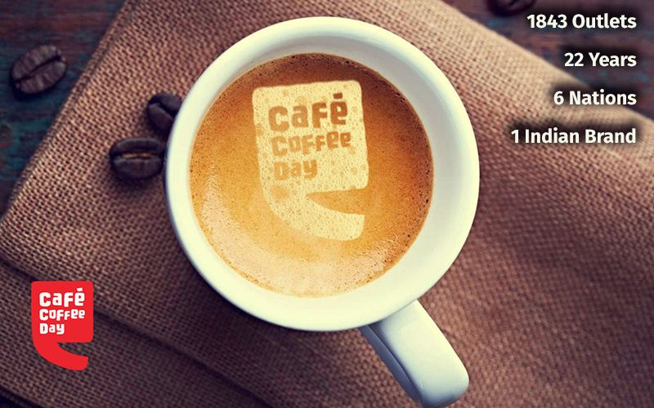

About the company
Suggestions
Insights
General View
Profit & COGS Analysis
Performance Analysis
Sales & Profit Analysis


Project by: Suvetha Bharath

info
About the company

1. Founded & Expansion: CCD was founded in 1996 in Bangalore by V.G.Siddhartha and rapidly expanded to become one of India’s largest coffee chains. It has outlets across India and some international locations, popular for its coffee culture and youthful brand.
2. Parent Company: CCD is operated by Coffee Day Global Limited, a subsidiary of Coffee Day Enterprises. The company owns coffee plantations in Karnataka, providing a steady supply of beans for its retail operations.
3. Business Model: CCD operates a cafe-style business, offering coffee, snacks, and desserts. It targets young professionals, students, and corporate customers with an affordable pricing strategy and a comfortable ambiance.
4. Financial Struggles: Despite early success, CCD faced financial troubles due to rising debts and competition. The sudden passing of its founder in 2019 deepened the company’s challenges, impacting both its financial health and leadership.
5. Current Status: CCD has undergone restructuring, closing unprofitable outlets and focusing on debt reduction. However, the number of operational vending machines at hotels and corporate workplaces increased in 2024. It continues to maintain a presence in key locations and is adapting to new business strategies to regain stability.

insights
Insights on CCD's Financial Loss

1. Revenue Trends: CCD’s overall revenue in 2013 was higher than in 2012, with December being the highest revenue month and November being the lowest in both years.
2. Product Losses in Regions: Despite overall positive profit and sales, some products like Green Tea, Caffe Mocha, and Mint incurred losses in the West and East markets.
3. Sales vs. Profit Discrepancy: High-sales stores, such as store 518, recorded substantial losses (e.g., sales of $700 with a loss of $232), indicating inefficient cost management.
4. Low Profit Margin Products: Products with low profit margins include Herbal Tea – Mint (8.66%), Coffee – Amaretto (10.72%), and Espresso – Caffe Mocha (4.07%).
5. Underperforming Products: Three products (Decaf Irish Cream, Colombian, and Caffe Mocha) failed to meet their sales targets, with Decaf Irish Cream and Caffe Mocha also falling short on profit targets.
6. Target vs. Actual Profit Loss: Seven products, including Caffe Mocha, Decaf Irish Cream, and Green Tea, did not meet their profit targets, with Caffe Mocha showing the highest shortfall of -$2073.
7. COGS Exceeding Sales: Several products, such as Herbal Tea – Mint, Decaf Irish Cream, Amaretto, and Green Tea, had COGS that exceeded their sales value, impacting profitability.

Recommendations
Recommendations

1. Revise Regional Strategies: Adjust market approaches in the West and East regions with targeted promotions and product bundles to improve sales.
2. Optimize High-Sales, Low-Profit Stores: Focus on cost management and inventory control in stores like store 518 to improve profitability.
3. Increase Profit Margins on Low-Margin Products: Improve pricing and sourcing strategies for low-margin products like Green tea, Mint and Caffe Mocha.
4. Boost Underperforming Products: Revise marketing and quality strategies for products like Decaf Irish Cream and Caffe Mocha to improve sales.
5. Optimize COGS for High-Cost Products: Review supplier contracts and ingredients for products with high COGS to improve profitability.
6. Enhance Inventory Management: Implement just-in-time systems and reduce stock levels for high-cost, low-sales items to minimize waste.
7. Revise Product Mix: Adjust the product range by promoting high-margin items and discontinuing underperforming ones.
8. Re-evaluate Pricing Strategy: Adjust pricing and offer promotions or discounts on low-margin products to increase sales and profitability.

Ty
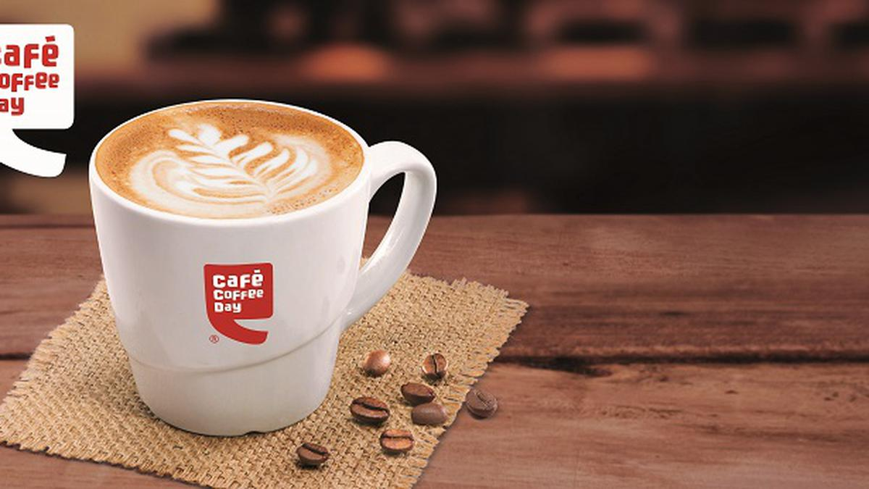

Thank you!

